Sheet1
Doc# | Software Validation Protocol
SVP5002 | RevTracker v1.1.0 Validation Protocol

1. Purpose
1.1 The execution of this software validation protocol is to verify that all RevTracker v1.1.0 features and functions can be properly executed. If all test cases are successfully executed, then RevTracker v1.1.0 is considered fully validated.
2. Parent Documents

 | Document Number |  |  |  |  |  | Title
 | SOP5002 |  |  |  |  |  | RevTracker
3. Child Documents

 | Document Number |  |  |  |  |  | Title
 | VA5002b |  |  |  |  |  | RevTracker Validation Walkthrough

4. Scope
4.1 All functions and features of RevTracker will be validated. Built in functionality and features of Microsoft Excel will not be
validated.
5. Installation Qualification
5.1 All test cases are manual. Please refer to the instructions below.

 | Test Case | Instructions |  |  | Expected |  |  | Result
 | 5.1 | Click to open the Review tab. The RevTracker group should be visible on the right side of the ribbon. |  |  | 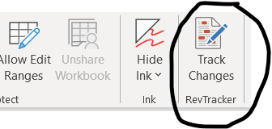 |  |  | Pass/Fail
 | 5.2 | The RevTracker group contains only one button, Track Changes. |  |  |  |  |  | Pass/Fail

6. Operational Qualification
6.1 Most test cases are manual; 6.6 is automatic, still follow the instructions in the instructions column but do not enter anything into
the result column. Please refer to the instructions below.

 | Test Case | Description |  | Instructions |  | Expected |  | Result
 | 6.1 (manual) | RevTracker task pane loads correctly. |  | Click the Track Changes button to open the RevTracker task pane. |  | The RevTracker task pane opens and loads successfully. See Figure 1 for an example. When it loads replace the text in the result cell to the right with "Pass". |  | Pass/Fail
 | 6.2 (manual) | Show Changes feature |  | Click the Show Changes button. |  | A comment will appear on the result cell above (K42) that says: Replaced "Pass/Fail" with "Pass" || {User} -- {Date} |  | Pass/Fail
 | 6.3 (manual) | Hide Changes feature |  | Click the Hide Changes button. |  | The comment on cell K42 will disappear. |  | Pass/Fail
 | 6.4 (manual) | Show/Hide Changes feature does not delete comments that were placed inserted by users. |  | N/A |  | The comment on this cell still exists and says: If this comment is visible then Test Case 6.4 is successful |  | Pass/Fail
 | 6.5 (manual) | Undo feature |  | Type Pass into the result column of this Test Case(K46) then click the Undo button. |  | The edit will be undone and the value of K46 will revert back to Pass/Fail. |  | Pass/Fail
 | 6.6 (auto) | Redo feature |  | Click the Redo button. The result for this test case will be automatically filled. |  | The edit in K46 will be redone and the value will again be Pass. |  | Pass/Fail
 | 6.7 (manual) | Save Revision feature |  | Click the Show Changes button next to RevA in the RevisionTracker section of the task pane. |  | A comment will appear on this cell that says: Replaced "" with "Test case succeeded" || User -- 8/9/2022 [15:58] |  | Pass/Fail
 | 6.8 (manual) | Hide Previous Revisions feature |  | Click the X button next to Rev A. |  | The comment on the cell above will disappear. |  | Pass/Fail
 | 6.9 (manual) | Clear Redline feature |  | Click the Clear Redline button in the RevTracker section |  | The saved revisions should disappear and when you click Show Changes no changes will be shown. |  | Pass/Fail

Doc# | Software Validation Protocol
SVP5002 | RevTracker v1.1.0 Validation Protocol

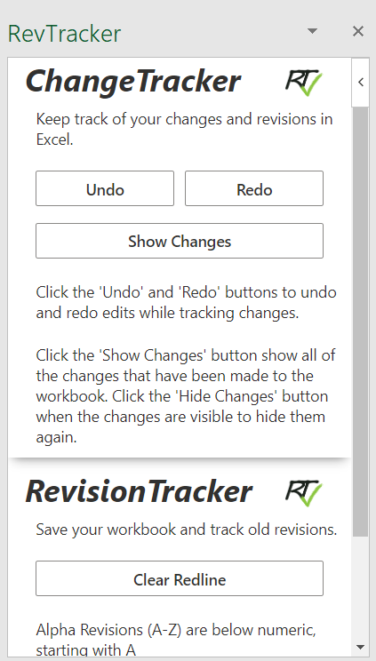

 |  |  | Figure 1. RevTracker task pane

7. Results
7.1 Check the results of all test cases in the IQ/OQ. If all test cases were successfully executed then the qualification requirements are
successful and RevTracker is full validated.

 | Installation Qualification |  |  |  |  |  | Pass/Fail
 | Operational Qualification |  |  |  |  |  | Pass/Fail

8. Future Validations and Ongoing Considerations
8.1 RevTracker v1.1.0 is fully validated per successful execution of the validation procedure. Upon release of any new versions of
RevTracker, Lucius LaFromboise Enterprises LLC will provide existing users with notification at least 60 days prior and a fully
executed and successful validation procedure, as well as a validation kit for the user to validate RevTracker in house.
9. Sign Off

 | Performed By |  |  |  |  |  | Date

 | Reviewed By |  |  |  |  |  | Date

